客户需求
节点：
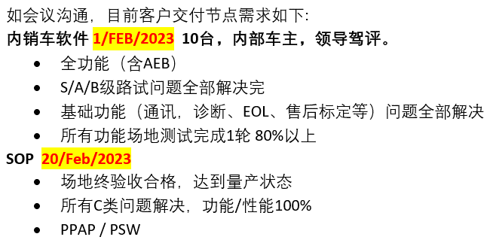

内销车原则上属于销售车，按照Conti流程，销售车需满足PPAP & PSW签署，需过MLC70。

Product MLC70：2月1日
Product MLC60：1月29日
domain MLC60：1月28日

